Sheet1
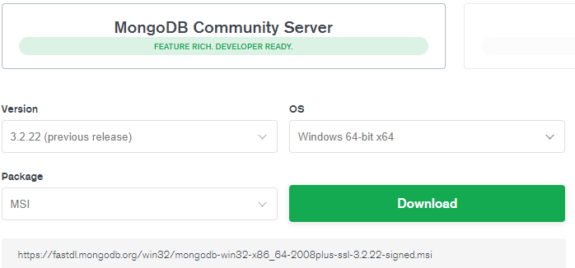
Download Mongo DB recommend v3.2
https://www.mongodb.com/download-center/community

Install and run Mongo DB server
https://docs.mongodb.com/v3.2/tutorial/install-mongodb-on-windows/

With my machine, I create a DB Path as |  | C:\data\db

And run the Mongo DB server

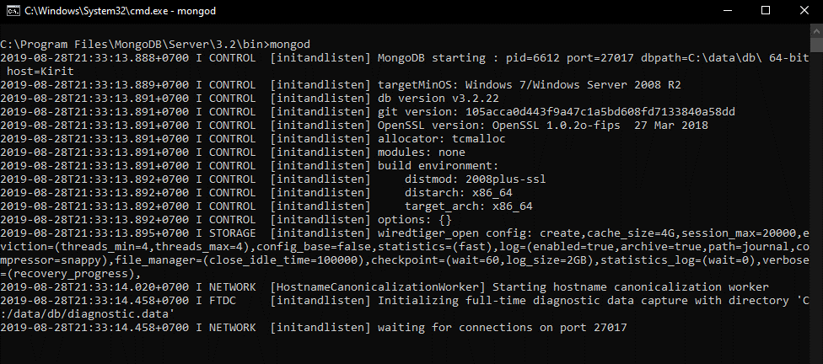

Download Klov server
https://github.com/extent-framework/klov-server/tree/master/0.2.5

Config the Klov server as:
https://extentreports.com/docs/versions/4/klov/
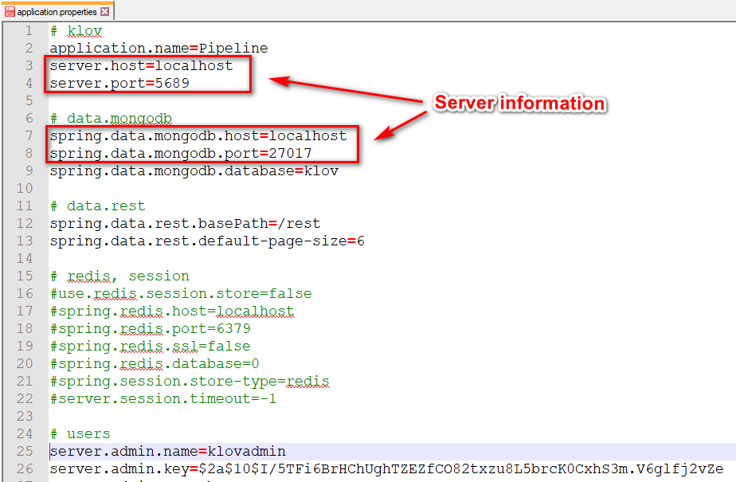

Run

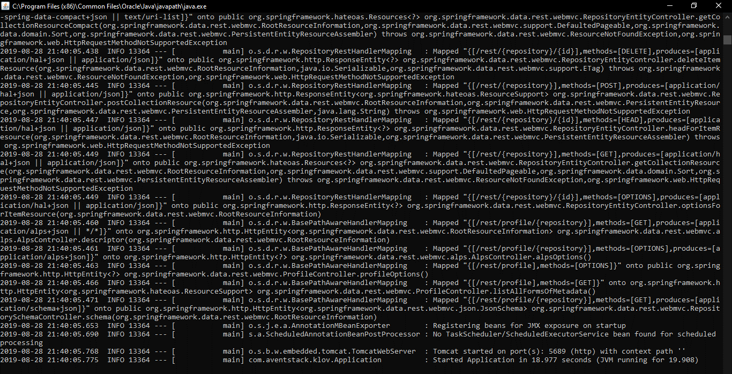

Then run your script
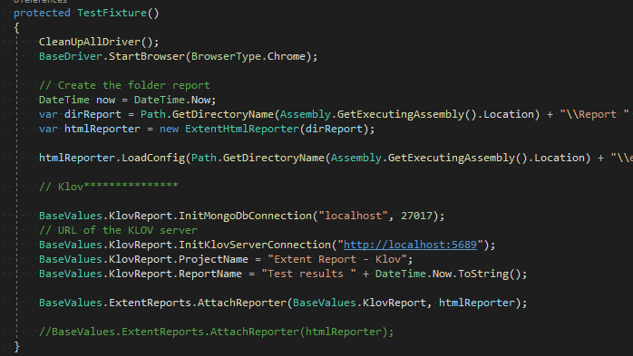

After run, go to the URL
http://localhost:5689
user | klovadmin
pass | password

